SCRIPT
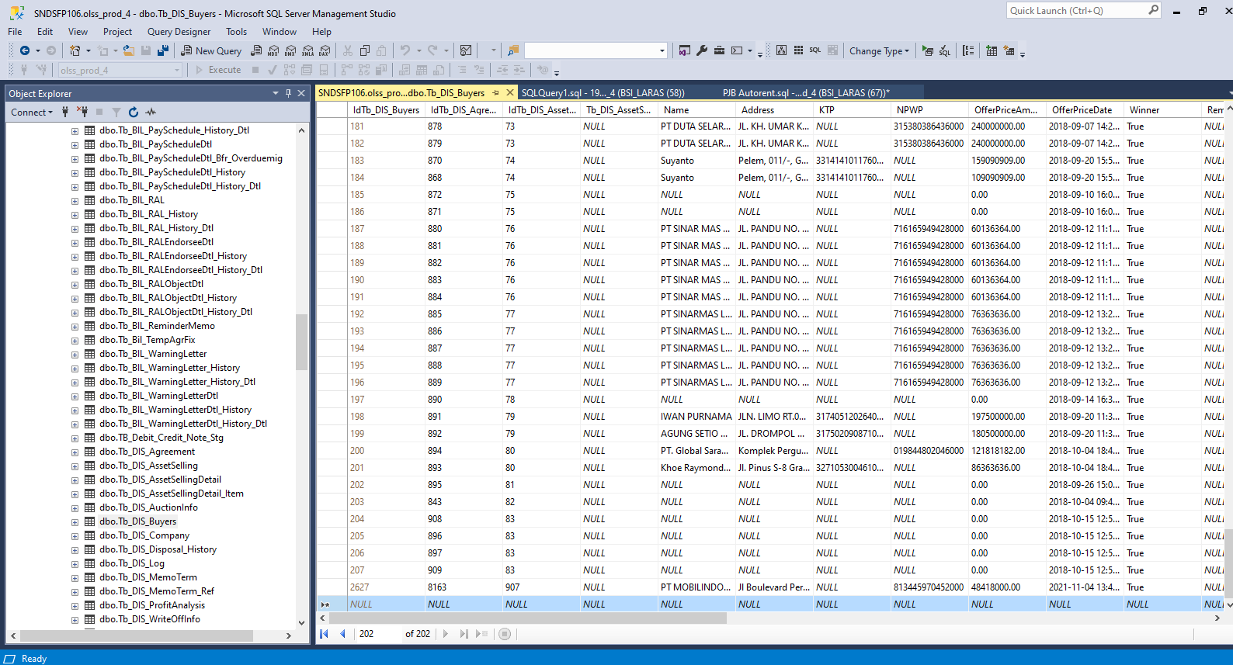
MEMO 00200/COP/10/2021
 | update Tb_DIS_Buyers set OfferPriceAmount = '72899000', JBAOfferPriceAmount = '80188900', DSFOfferPriceAmount = '80188900' where IdTb_DIS_Agreement = '8147'

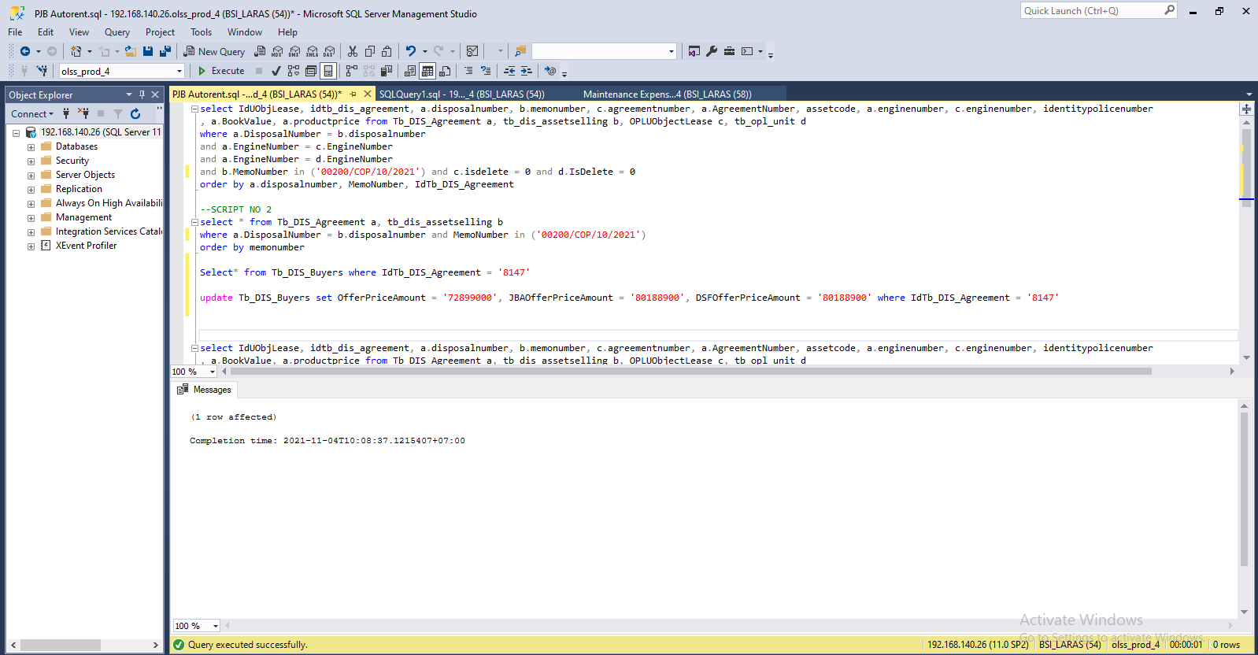

MEMO 00204/COP/11/2021
Insert tb_dis_agreement

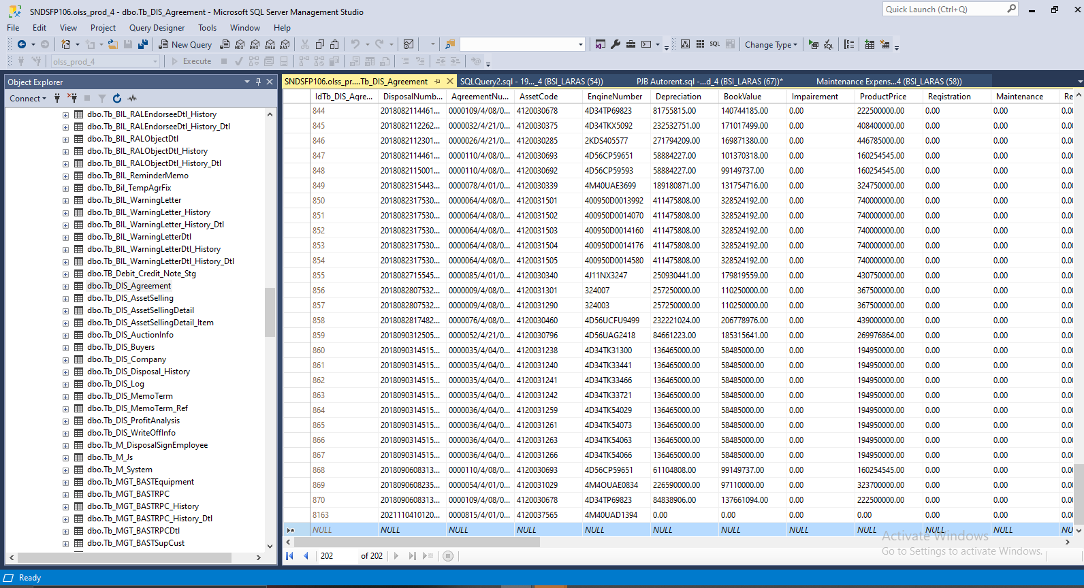

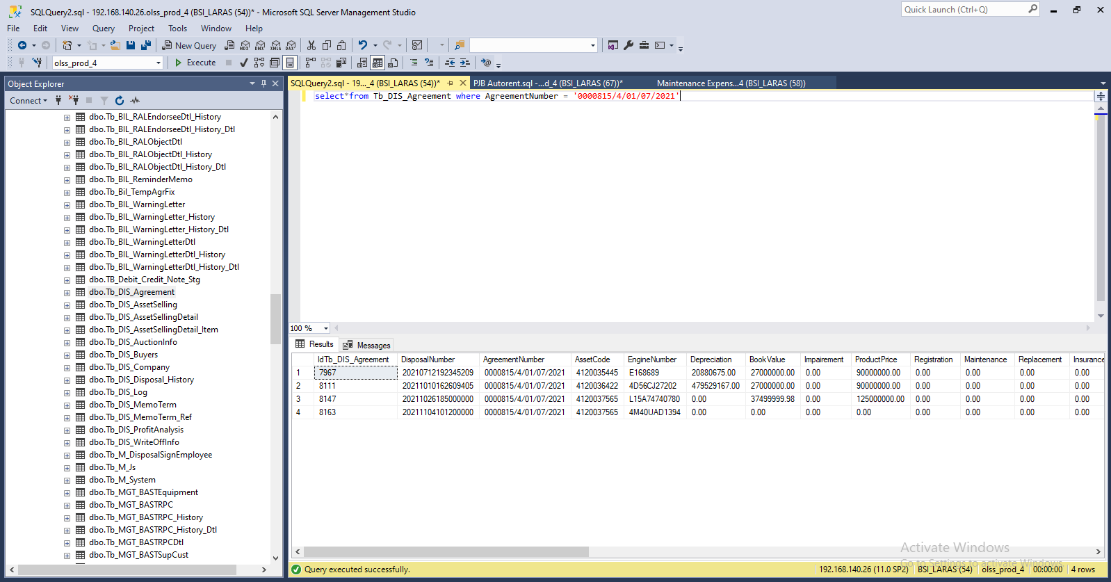

Insert TB_DIS_BUYERS

SCREENSHOOT
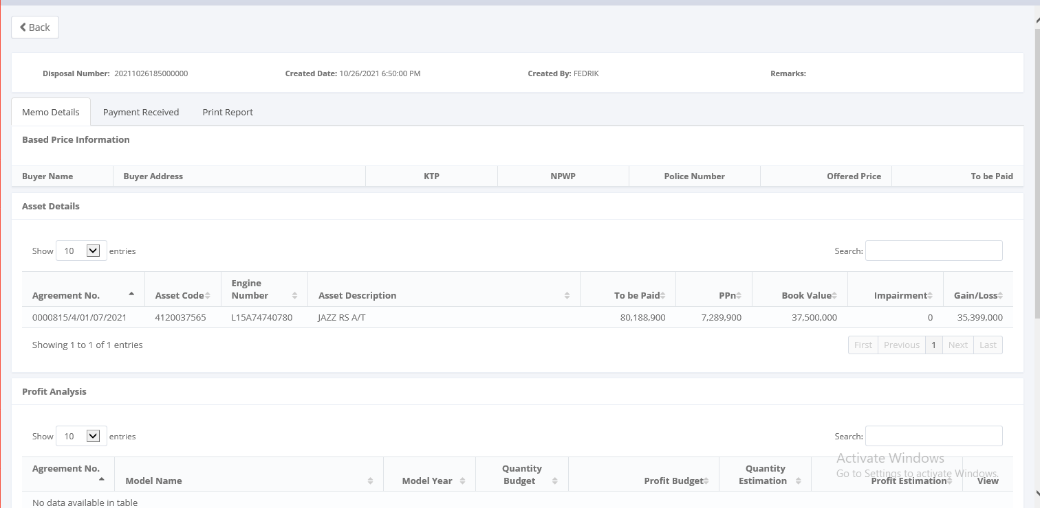
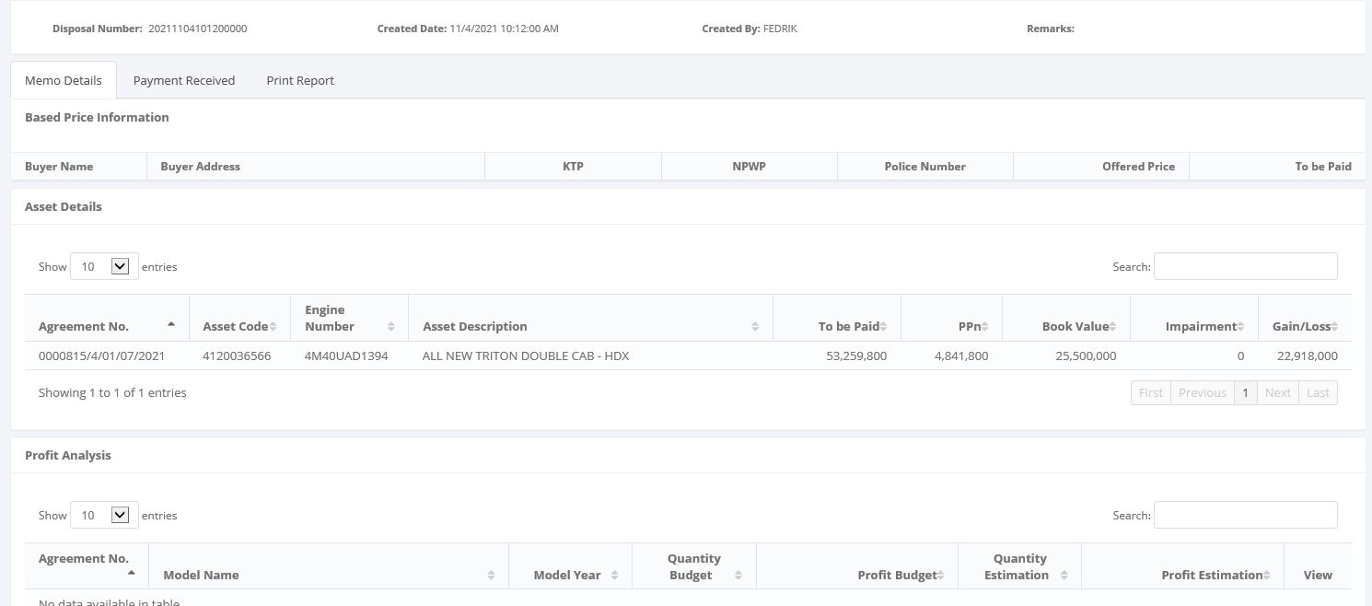
MEMO 00200/COP/10/2021 | 00204/COP/11/2021
Before | Before



AFTER | After

